Product - General
BP Logo
 |  |  |  | Header

PIM | Product: iPhone 6
Products
Offerings | General | Details | Assets | Variants | Related products | Translations | SEO | Merchendising | History
Price Lists
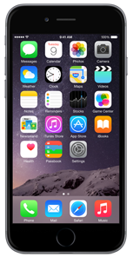
 | Name | iPhone 6 |  |  | Catalogues | Main catalogue
 | Manufacturer | Apple (logo) [v]
 | Type | Handset [v] |  |  | Categories | SmartPhone
 | Code (SKU) | IPH302 |  |  |  | iOS
 | Public ID | A421C89E-D357-4EAA |  |  |  | iStuff

 | Status | Live | Change
 | Created | 2015-06-25 by AndreiP
 | Modified | 2015-06-25 by AndreiP

 | Description


 |  |  |  |  |  |  |  | Save

Product - Assets
BP Logo
 |  |  |  | Header
Individual assets in a set
The thumbnails can be clicked and dragged to adjust the ordering, the thumbnails represent an asset set
 |  |  |  |  |  |  |  |  |  | Edit Set Popup
PIM | Product: iPhone 6 |  |  |  |  |  |  |  |  |  |  |  |  | x
Products
Offerings | General | Details | Assets | Variants | Related products | Translations | SEO | Merchandising | History |  | Media Type | select [v] | Preview
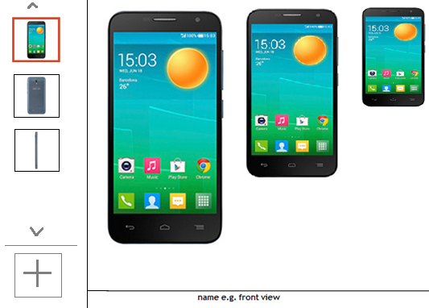
Price Lists
 |  |  |  |  |  |  |  |  |  |  | File Types Allowed | .jpg, .gif, .png
 |  |  |  |  |  |  |  |  |  |  | Dimensions Expected | 300x500

 |  |  |  |  |  |  |  |  |  |  | Select Media

Deleting should display a confirmation dialog
 |  |  |  |  |  |  |  |  |  |  | Name

 |  |  |  |  |  |  |  |  |  |  | SAVE
 |  |  |  |  |  |  |  |  |  |  |  |  | <originalfilename>

250x450
imagefilename.png
300x500
imagefilename.png
150x300
imagefilename.png
When file selected it is automatically uploaded to temp directory and displayed in preview area
Based on product type show the media types available, then based on selection of media type show the mime types and dimensions allowed

 |  |  |  |  |  |  |  |  |  | New Set Popup
 |  |  |  |  |  |  |  |  |  |  |  |  |  | x

 |  |  |  |  |  |  |  |  |  |  | Media Type | select [v] | Preview
Click to add a new set- opens new set popup
 |  |  |  |  |  |  |  |  |  |  | File Types Allowed | .jpg, .gif, .png
 |  |  |  |  |  |  |  |  |  |  | Dimensions Expected | 300x500

 |  |  |  |  |  |  |  |  |  |  | Select Media

When file selected it is automatically uploaded to temp directory and displayed in preview area
 |  |  |  |  |  |  |  |  |  |  | Name

 |  |  |  |  |  |  |  |  |  |  | SAVE
 |  |  |  |  |  |  |  |  |  |  |  |  | <originalfilename>

